Sheet1
 | Document No. | Issue No. |  | Issue Date |  | Review and Replace Date |  | Authorised By
 | GFF370MC | 2 |  | 22.09.2022 |  | 01.10.2025
 | Document Title | 10 BRIE AND CRANBERRY MONEY BAGS 200G
 | Product name changed |  |  |  | Page |  | 1 of 1 | Magda Shah
Document amendments reason for change |  |  |  |  | Previous Issue Date |  | 22.09.2022 | Uncontrolled copy unless signed original

CVBCMB-R1TEB | BOOTHS - XMAS |  | 10 BRIE AND CRANBERRY MONEY BAGS 200G
STEP 1 |  |  |  |  | STEP 2
 |  |  |  |  | 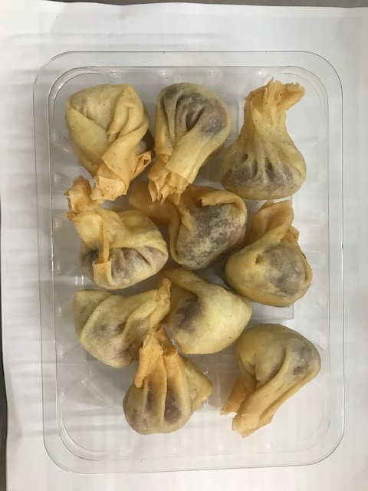

Tray: SK4 - Plain Clear (PKESS001-07) |  |  |  |  | 10 BRIE AND CRANBERRY MONEY BAGS(GFF433R): 20g: 200G
Film: K-peel 7G+25A/f-275mm (PKKMP001-03)
TOTAL WEIGHT: 200g

ALLERGY ALERT: Milk/Wheat

